Table 1
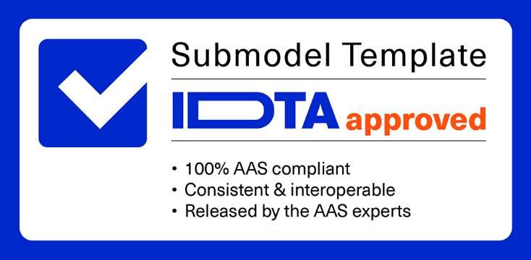
S P E C I F I C A T I O N
IDTA 02045-1-0 Data Model for Asset Location July 2024
Submodel Template of the Asset Administration Shell


Imprint
Publisher Industrial Digital Twin Association Lyoner Strasse 18 60528 Frankfurt am Main Germany https://www.industrialdigitaltwin.org/ Version history
Date | Version/Revision | Comment
2024-07-01 | 1.0 | Release of the official Submodel template published by IDTA.
Contents
1 General 6 1.1 About this document 6 1.2 Scope of the Submodel 6 1.3 Relevant standards 7 2 Approach of the Submodel 8 2.1 Use cases and requirements 8 2.2 Structure and design decisions 10 3 Submodel and SubmodelElements 11 3.1 11 3.2 12 3.3 SubmodelElements of SMC 13 3.4 14 3.5

Figures
Figure 1: Structure elements of a geographically outlined region 9 Figure 2: Modelling of the height 9 . 10
Tables
. 11 . 12 . 13 . 14 . 14 . 15 . 16 . 16 . 17 . 18 . 18 . 19 . 20 . 21 . 22 . 22 . 23 . 24 Position 25 AssetLocatingInformation 26
1 General
1.1 About this document This document is a part of a specification series. Each part specifies the contents of a Submodel template for the Asset Administration Shell (AAS). The AAS is described in [1], [2], [3] and [6]. First exemplary Submodel contents were described in [4], while the actual format of this document was derived by the "Administration Shell in Practice" [5]. The format aims to be very concise, giving only minimal necessary information for applying a Submodel template, while leaving deeper descriptions and specification of concepts, structures and mapping to the respective documents [1] to [6]. The target group of the specification are developers and editors of technical documentation and manufacturer information, which are describing assets in smart manufacturing by means of the Asset Administration Shell (AAS) and therefore need to create a Submodel instance with a hierarchy of SubmodelElements. This document especially details on the question, which SubmodelElements with which semantic identification shall be used for this purpose.
1.2 Scope of the Submodel The location of static or mobile objects (assets / goods / trackables) and, if applicable, the origin and destination of transport processes are naturally the most important information in transport and internal logistics. In the past, the postal address or a simple location description (e.g., hall B, aisle 3) or a GNSS coordinate (Global Navigation Satellite System, like GPS) was sufficient as location information for controlling logistics processes. With the increasing propagation of localization technologies such as Ultra-Wideband (UWB), BLE (Bluetooth Low Energy), RFID (Radio-Frequency Identification) and others, the continuous and precise tracking of objects becomes possible at reasonable costs. This opens up new possibilities for the automation, monitoring and analysis of goods flows and internal transportation tasks. It is also possible to measure masses of localization data for short distances within buildings, which is why the integration of a localization solution into warehouse systems or production lines is becoming increasingly popular. The systems for localization are usually referred to as real-time location systems (RTLS). Automated guided vehicles (AGVs) and autonomous transport robots with free navigation (AGVs) are also increasingly being used for internal transportation tasks. These are another driver for the use of localization technologies in companies.
Further applications that require localization information are augmented reality or robotics applications in which in addition to the position the orientation of an object, the pose (6DoF), is of interest. This Submodel is not supporting 6DoF orientation information for now.
Location data for assets are determined by different localization systems during the life cycle and even at the same point in time more than one system can deliver a location information. Today location data originate from a variety of non-interoperable systems, for which the data model for the localization information is not standardized. Since asset location data are generated and used by different systems, for different use cases, in different life cycle phases and by different organizations it makes particular sense to manage the location data in the AAS of an asset in the form of a standardized Submodel.
1.3 Relevant standards One important standard that aims the interoperability in the field of localization is the open locating standard omlox. Omlox is hosted under the umbrella of the PROFIBUS & PROFINET International (PI) organization. Omlox includes also a specification for omlox compliant locating systems and corresponding APIs. More information can be found here: https://omlox.com/ https://www.profibus.com/technology/industrie-40/omlox-the-open-locating-standard In the attachment of this Submodel specification a mapping between the Submodel template and the omlox specification has been included.
Further standards that have been considered regarding data for asset locations were:
Open Geospatial Consortium (OGC) GeoPose 1.0 Data Exchange Standard Link: https://www.geopose.org/ ISO 19116:2019(en): Geographic information positioning services World Geodetic System - 1984 (WGS-84)
There is as well an
2 Approach of the Submodel
2.1 Use cases and requirements The use cases for localization of mobile objects can be, for example, divided into use cases for track & trace, location-based automation, production execution and maintenance as well as material flow. With track & trace, for example, manual search efforts can be reduced, or transportation resource utilization can be determined based on movement analyses. Track means the determination of the current location and trace means the traceability of the shipment's progress. This also includes applications for the traceability of the transport chain. Location-based automation means that events such as transport orders are triggered depending on the position of an object. When carrying out production or maintenance, location data helps to quickly reach the required components or machines to be serviced. The control and optimization of the material flow along the entire logistics chain using various transport and control systems is another field of application for localization technologies. In addition, also static objects have a permanent location that needs to be modeled. This can be used for example for use cases like navigation or as input for transportation orders where the origin and the destination can be linked to the Submodel instance.
In many applications the origin and destination of an asset will play a role, e.g., for navigation or transport orders. Origin and destination can again be, in this case stationary, assets with this location data Submodel.
The requirement was to reflect the wide rage of track & trace and localization use cases, the different needs on the quality of location data as well the different localization technologies with the Submodel template. Three structure elements ensure that the multitude of use cases can be supported. First the semantic structure of a geographically referenced region which is site, area (or building) and fence (see Figure 1) where a site can have one or more areas and/or fences assigned, and an area can have fences assigned. The second structure element are coordinate reference systems (CRS) mapping between a global geographic CRS and the local CRS which enables the coordinate transformation between all local coordinate reference systems. Site, area and fence can share the same coordinate reference system or just have their own. There is no need to model a site, area or fence in the AAS. At the minimum a position with an assigned CRS is sufficient.
Figure 1: Structure elements of a geographically outlined region.
A position (x,y,z-coordinate) is referenced to a CRS which will make it possible that an application based on the data of an AAS is able to determine the semantic relationships for a position, namely the assignment to one or more areas which the asset overlaps. An area can be of kind SITE, BUILDING or AREA_NOT_SPECIFIED. An area of kind AREA_NOT_SPECIFIED can be a virtual boundary (fence) that unlike a SITE or BUILDING is not representing a physical defined region. The main point of an area is to enable capturing entry and exit events of assets entering or leaving an area. An area is therefore an essential concept for location-automation.
Figure 2: Modelling of the height.
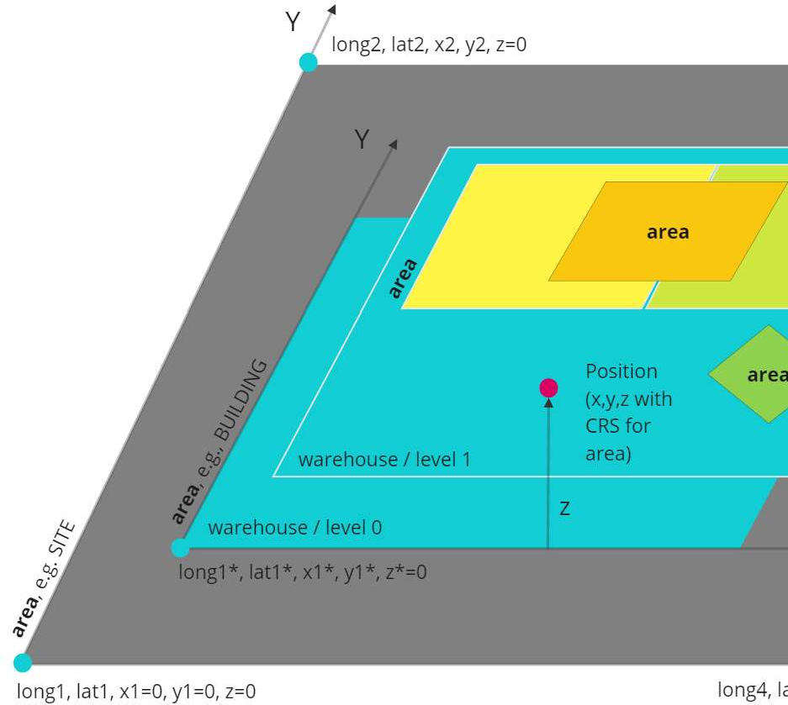
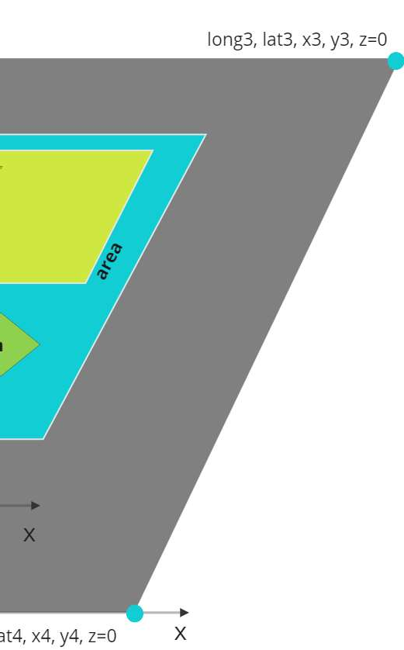
The modelling of the height is illustrated in Figure 2. For every CRS an ElevationReference has to be set which is defining the reference for the height (z-value of a position).

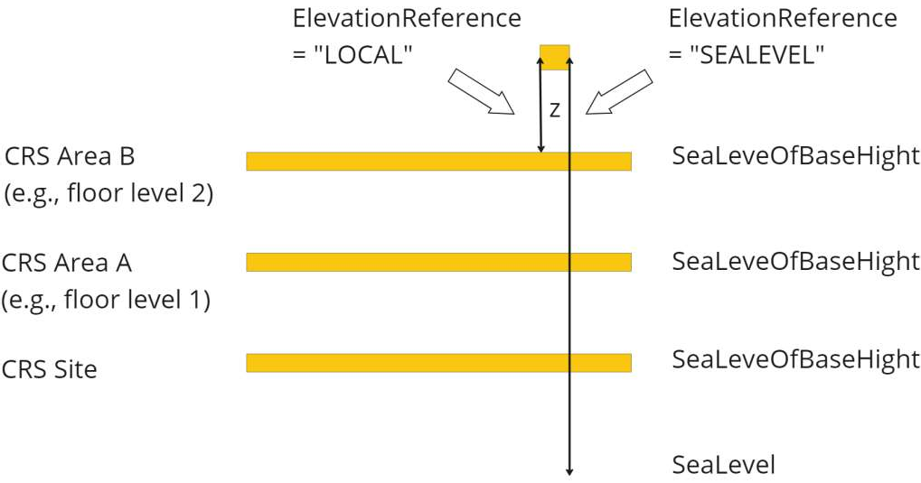
2.2 Structure and design decisions The structure of the Submodel template is shown in Figure 3. The SubmodelElementLists and contain geographically referenced locations that an asset has visited during its lifecycle phases. Areas can be referenced to their address(es). VisitedAreas are regions that are defined wherein events are generated when an asset enters or leaves that area. The SubmodelCollection AssetTraces contains the records of events, namely the entry and exit of assets for VisitedAreas and with the SubmodelElementList LocationRecords the records of locations. The regions of VisitedAreas can be nested or overlap in arbitrary ways. In general, if the location of an asset lies within multiple overlapping regions, individual events for each of the regions are generated. The events are generated solely based of geographic relationship, e.g VisitedAreas have no direct relationship to another but may spatially overlap.
For the SubmodelElementLists of the SubmodelElementCollection AssetTraces the order is relevant. The last entry is the latest event or location that has been recorded.
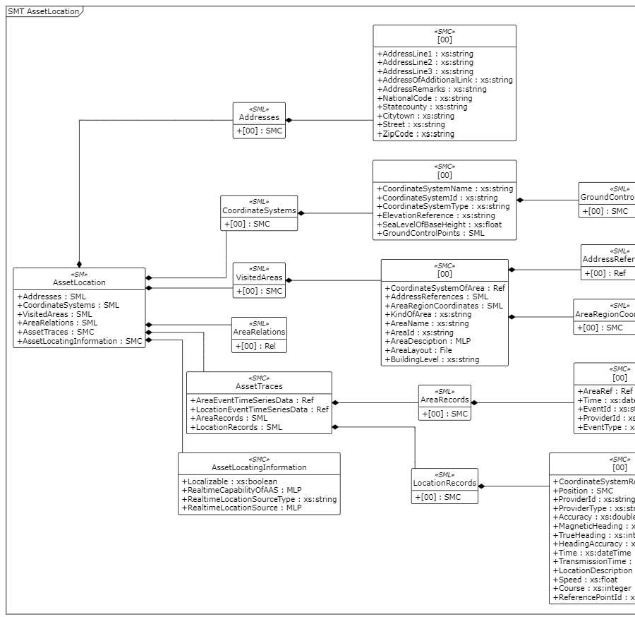
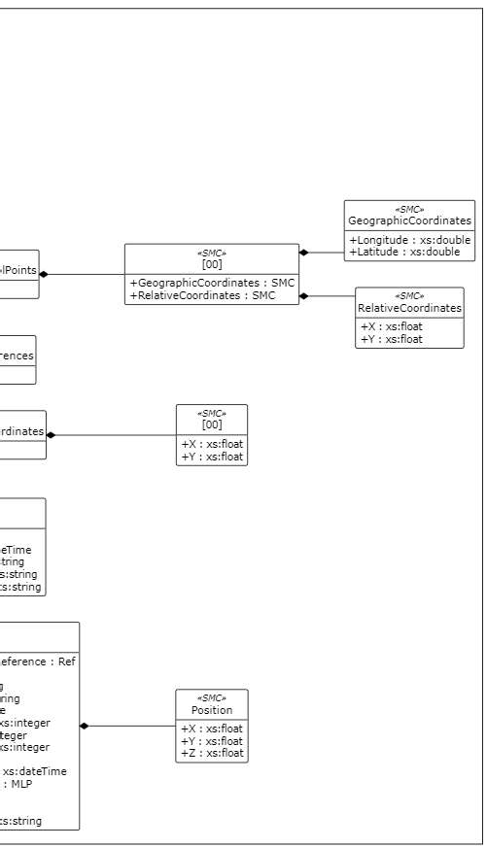
Figure 3: Information structuring of the Submodel template Data Model for Asset Location

Table 17
3.20 AssetLocatingInformation Table 20 AssetLocatingInformation
idShort: | AssetLocatingInformation
Class: | SubmodelElementCollection
semanticId: | https://admin-shell.io/idta/sml/assetlocatinginformation/1/0
Parent: | AssetLocation
Explanation: | Collection with additional information concerning the localization of an asset
[SME type] | semanticId = [idType]value | [valueType] | card.
idShort | Description@en | example
[Prop] Localizable | [IRI] https://admin-shell.io/idta/prop/localizable/1/0 Information whether the position can be currently updated with the correct position | [Boolean] | [0..1]
[MLP] RealtimeCapabilityO fAAS | [IRI] https://admin-shell.io/idta/mlp/realtimecapabilityofaas/1/0 Description of the extend and conditions for real time applications of the AAS | [langString] | [0..1]
[Prop] RealtimeLocationSo urceType | [IRI] https://admin- shell.io/idta/prop/realtimelocationsourcetype/1/0 Type or name of the source that delivers real time information for the asset's location, e.g., OMLOX | [String] | [0..1]
[MLP] RealtimeLocationSo urce | [IRI] https://admin-shell.io/idta/mlp/realtimelocationsource/1/0 Information regarding a source for real time location data, e.g., URL and API documentation for DeepHub | [langString] | [0..1]
Appendix A Omlox Hub as Data Provider
Using omlox Hub as a Provider for IDTA Asset Location Data This appendix details the use of the omlox Hub standard as a centralized platform for integrating various location technologies with IDTA Asset Location. It focuses on how omlox Hub middleware functions as a primary source for IDTA Asset Location updates and real-time events.
The location data flow, in the context of an asset's lifecycle, involves two primary steps:
1. Receiving and Processing Asset Location Updates
The omlox Hub is designed to continuously receive location data from various locating systems. The data processing takes into account its origin, type, and the specific coordinate system from which it originates. Sending location data can be achieved throu endpoint:
http://{HubURL}/deephub/v2/providers/locations
Following the initial pre-processing, the omlox Hub post-processes the location data, generating geofence and collision events. The transformed data is then distributed to subscribers via Websocket and MQTT.
To integrate asset location updates with omlox Hub: ws://{HubURL}/deephub/v2/ws/socket
Subscribe to the location_updates topic through the Websocket connection with the following message: {
"event": "subscribe", "topic": "location_updates", }
Update the IDTA Asset Location LocationRecords list using real-time omlox location updates from the Websocket connection, mapping the omlox location data to an IDTA Asset Location record as follows: o Rename the following objects (omlox property -> IDTA LocationRecords element): timestamp_generated -> Time provider_id -> ProviderId provider_type -> ProviderType true_heading -> TrueHeading heading_accuracy -> HeadingAccuracy timestamp_sent -> TransmissionTime speed -> Speed course -> Course source -> CoordinateSystemReference o Map the omlox position array to Position.x, Position.y and Position.z. The first item in an omlox position array is x, second is y, third is z. o Check if a reference to CoordinateSystemReference exists in the IDTA CoordinateSystems. If it does not exist: fetch the the omlox Zone via a REST call to /zones/$id with the respective id of CoordinateSystemReference and create an entry in CoordinateSystems by mapping the omlox Zone to the IDTA Asset Location CoordinateSystems element as follows:

Map name to CoordinateSystemName.
This process captures all necessary location updates, with the volume of data varying based on the locating
2. Real-time Event Generation and Asset Traces Processing
After capturing all raw location updates, the next step involves processing these to relate to specific
events, triggered on entry and exit from a defined region, also help to manage the volume of location data stored within the asset shell by focusing on significant location changes.
Steps for integrating fence events include:
http://{HubURL}/deephub/v2/fences org.industrialdigitaltwin/asset-
ws://{HubURL}/deephub/v2/ws/socket and subscribe to the fence_events topic.
For each fence event received, update the IDTA Asset Location AreaRecords list, mapping the omlox fence event to an IDTA Asset Location AreaRecords element as follows (omlox property -> IDTA AreaRecords element): o entry_time / exit_time -> Time. o id -> EventId o trackable_id / provider_id -> ProviderId. Note: Use trackable_id if not null, otherwise provider_id. o event_type -> EventType.
If the area is visited for the first time, store a record describing the area in the IDTA Asset Location VisitedAreas list. Visited areas can be uniquely identified via the omlox fence_id property. Map the omlox fence, by fetching the fence objects via a REST call to /fences/$id, to an IDTA Asset Location VisitedAreas element as follows (omlox property -> IDTA VisitedAreas element): o region -> AreaRegionCoordinates. Note: The region is a Geojson Polygon geometry. The polygon is described by a list of points where the first is x, second is y and third is z (optional).
-
o -> KindOfArea. Note: Omlox allows to store custom properties for each object. A property maintained with this name as part of the omlox fence allows to map this fence to the respective IDTA area types. When creating the fence in the omlox Hub one of the respective values should be set for this property: "AREA_NOT_SPECIFIED", "BUILDING" and "SITE".
o Name -> AreaName o Set CoordinateSystemOfArea to "EPSG:4326". Note: Fences in omlox are always in GPS coordinates (EPSG:4326). Helper functions exist if a conversion to local coordinates is desired. o Id -> AreaId o floor -> BuildingLevel Optionally, defer storing location updates received from the Hub to the IDTA LocationRecords as outlined in step 1 at the time a fence event is triggered. This effectively reduces the location records in the asset shell to maintain only the significant location changes when a region of interest is entered or left.

The omlox Hub's support for hierarchical fence layouts also allows for complex tracking and tracing scenarios. For example, a larger fence might represent an entire manufacturing site, with smaller fences representing halls or process steps. This hierarchical system can efficiently report the duration an asset spends in specific areas, like the time spent for an overall process at the site as well as times spent at specific processing steps during that site visit, optimizing the overall tracking and management process.

